Job Details

Job Number & Name: | 35165 LB Bexley
Site Number/Name: | Site 1 - Willersley Avenue
Client: | Waterman
Date: | 2023-03-30

Site Plan
Advanced Transport Research |  |  | Job Number & Name: | 35165 LB Bexley
Site 1 - Willersley Avenue |  |  | Date: | 2023-03-30

Job Type: | Pedestrian & Vehicle Count
Co-ordinates: | 51°26'28.82"N, 0° 5'44.40"E | Postcode: | DA15 9EW |  | Times: | 0700-1900

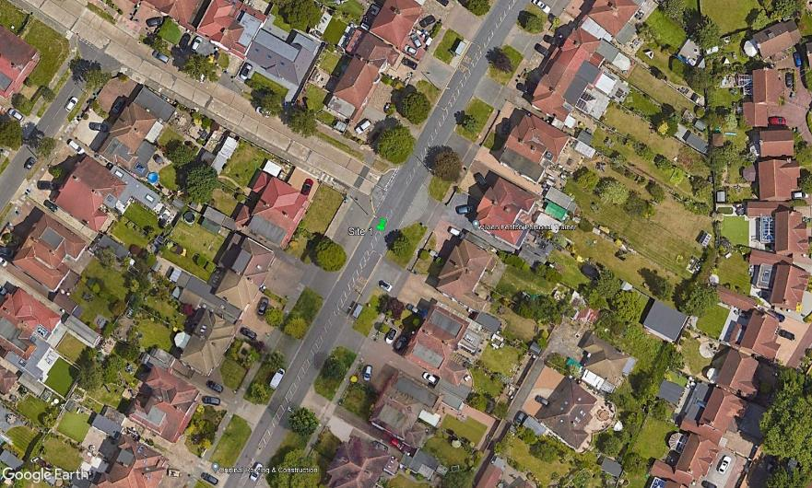
N
3

Annandale Road

C

D

B

A

1
2

Willersley Avenue

